LodgingBW
Baywatch 2018 lodging form competition |  |  |  |  |  |  | Last entry 16-6-2018

Registration |  | number | cost |  | Total
Registration competitor |  |  | € 10.00 |  | € 0.00

 |  | Total cost registration |  |  |  | € 0.00 | Signature

Lodging
 |  | number | cost |  | Total
Friday | Night |  | € 7.00 |  | € 0.00
Saturday | Breakfast |  | € 4.00 |  | € 0.00
 | Lunch |  | € 4.00 |  | € 0.00
 | Buffet |  | € 10.00 |  | € 0.00
 | Night |  | € 7.00 |  | € 0.00 |  | Date
Sunday | Breakfast |  | € 4.00 |  | € 0.00
 | Lunch |  | € 4.00 |  | € 0.00
 | extra packed lunch for return trip |  | € 4.00 |  | € 0.00
 |  | Total cost lodging |  |  |  | € 0.00

 |  |  |  | Total cost |  | € 0.00

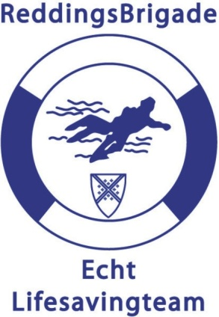
Teamnr
Team
Name
Adress
Code + Town
E-mail

The total cost transfer to:
Rabobank Echt,
Banknr.: 142091014
In the name of: Baywatch + teamname
Iban-nr: | NL31RABO0142091014
BIC | RABONL2U |  |  | Make a copy for yourself

